User Stories
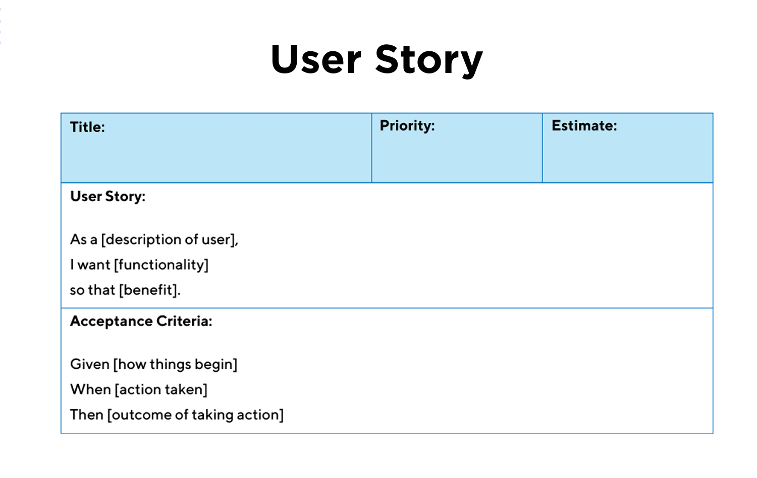
ID | User Story Title | User Story Description | Relates to Epic | Acc_ID | Acceptance Criteria
US-05 | List Customer Contacts |  | US_01 | US-05-01
 |  |  |  | US-05-02
 |  |  |  | US-05-03
 |  |  |  | US-05-04

US-06
US-07
US-08
US-09
US-10
US-11
US-12
US-13
US-14
US-15

Gantt Chart
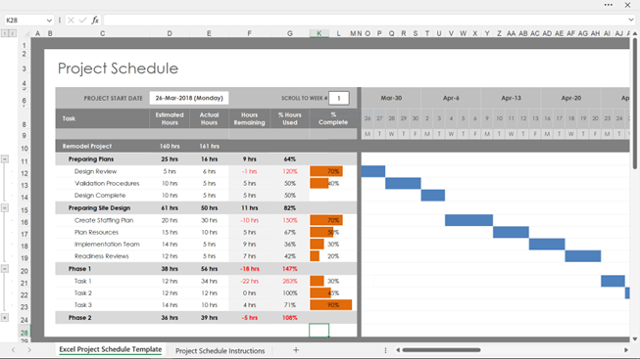
 | Project : | Resource | Duration | Start | End | Sprint 1 |  |  |  |  |  |  |  |  |  |  |  |  |  | Sprint 2 |  |  |  |  |  |  |  |  |  |  |  |  |  | Sprint 3 |  |  |  |  |  |  |  |  |  |  |  |  |  | Sprint 4 |  |  |  |  |  |  |  |  |  |  |  |  |  | Sprint 5 |  |  |  |  |  |  |  |  |  |  |  |  |  | Sprint 6 |  |  |  |  |  |  |  |  |  |  |  |  |  | Sprint 7 |  |  |  |  |  |  |  |  |  |  |  |  |  | Sprint 7
Ref | Phase, User Story/Task | Role or person | Days | Date | Date | 1 | 2 | 3 | 4 | 5 | 6 | 7 | 8 | 9 | 10 | 11 | 12 | 13 | 14 | 1 | 2 | 3 | 4 | 5 | 6 | 7 | 8 | 9 | 10 | 11 | 12 | 13 | 14 | 1 | 2 | 3 | 4 | 5 | 6 | 7 | 8 | 9 | 10 | 11 | 12 | 13 | 14 | 1 | 2 | 3 | 4 | 5 | 6 | 7 | 8 | 9 | 10 | 11 | 12 | 13 | 14 | 1 | 2 | 3 | 4 | 5 | 6 | 7 | 8 | 9 | 10 | 11 | 12 | 13 | 14 | 1 | 2 | 3 | 4 | 5 | 6 | 7 | 8 | 9 | 10 | 11 | 12 | 13 | 14 | 1 | 2 | 3 | 4 | 5 | 6 | 7 | 8 | 9 | 10 | 11 | 12 | 13 | 14 | 1 | 2 | 3 | 4 | 5 | 6 | 7 | 8 | 9 | 10 | 11 | 12 | 13 | 14

